Sheet1
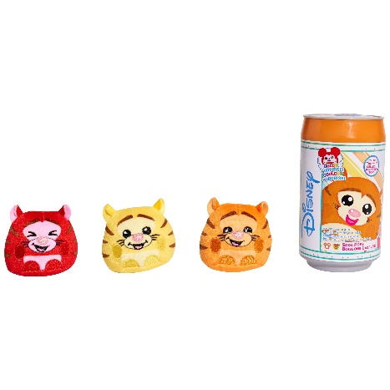
UPC | Item Description | Item Price | # of Units | Total Retail
3505156048 | L.O.L. Surprise! Fluffy Pets Winter Disco Series with Removable Fur | $12.88 | 6,655 | $85,716.40
88614430671 | Disney Soda Pop & Sweet Reveal Plush Bundle Blind Pack | $13.98 | 1,462 | $20,438.76
88796158605 | Jurassic World Battle Damage Velociraptor "Blue" | $9.99 | 1,816 | $18,141.84
88614479630 | Universal Secret Life Of Pets 2 Slo Foam Plush- 2 Pack Bundle- Max & Gidget | $14.97 | 1,799 | $26,931.03
88969839035 | Funko POP! Games: Fallout 76 - Tricentennial Power Armor | $9.99 | 976 | $9,750.24
 |  |  | 12,708 | $160,978.27
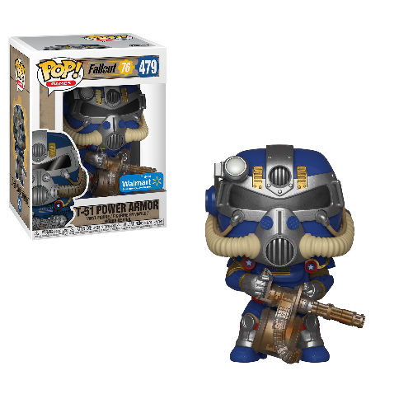
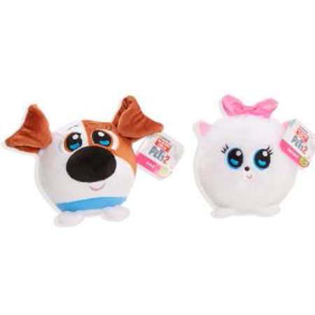
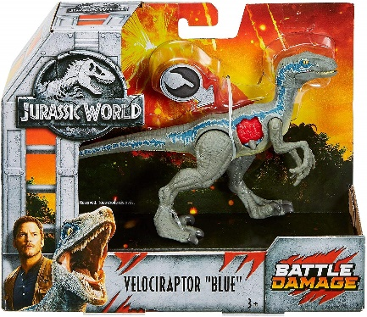

 |  |  |  |  | 88614430671
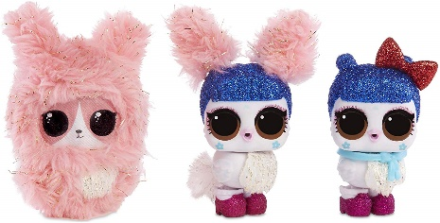
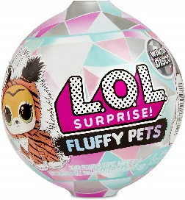

 | 88796158605
 | 88614479630 |  | 88969839035 |  | 3505156048

